Result3
2025.08.04 FW WYCENA 1035SUR082025-S235-1-Nitrogen(3) - Result3
Cut Plan
Material | Thickness(mm) | Plate Size(mm*mm) |  | Nested Plate Size(mm*mm) |  | Cut number: | Cut time per piece | Part Qty
S235 | 1.00 | 1102.40 * 2224.20 |  | 1054.40 * 2176.20 |  | 1 | 6min03s | 2
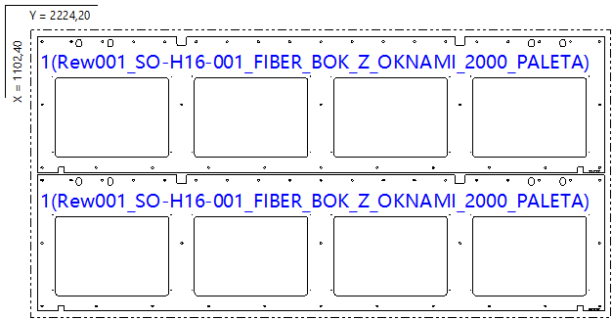

Part List
ID | Thumbnail | Part Name | Part Size(mm*mm) | Qty | Cut Length(m) | Marking length(m) | Defilm Length(m)
317763 |  | Rew001_SO-H16-001_FIBER_BOK_Z_OKNAMI_2000_PALETA | 2176.00 * 523.00 | 2 / 12 | 12.8 | 0.12 | 0

Result1
2025.08.04 FW WYCENA 1035SUR082025-S235-1-Nitrogen(3) - Result1
Cut Plan
Material | Thickness(mm) | Plate Size(mm*mm) |  | Nested Plate Size(mm*mm) |  | Cut number: | Cut time per piece | Part Qty
S235 | 1.00 | 1500.00 * 3000.00 |  | 1402.60 * 2885.20 |  | 4 | 10min19s | 12
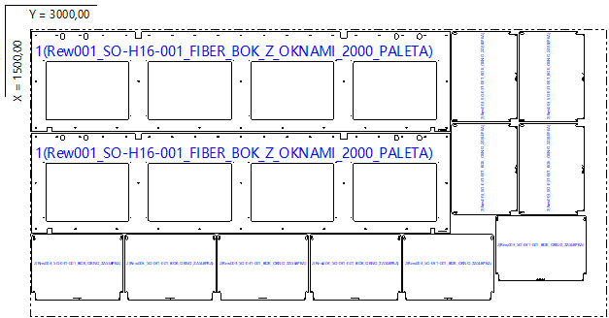

Part List
ID | Thumbnail | Part Name | Part Size(mm*mm) | Qty | Cut Length(m) | Marking length(m) | Defilm Length(m)
317763 |  | Rew001_SO-H16-001_FIBER_BOK_Z_OKNAMI_2000_PALETA | 2176.00 * 523.00 | 2 / 12 | 12.8 | 0.12 | 0
317788 |  | Rew003_SO-031-001_BOK_OKNO_ZASLEPKA | 474.00 * 340.00 | 10 / 48 | 1.79 | 0 | 0

Result2
2025.08.04 FW WYCENA 1035SUR082025-S235-1-Nitrogen(3) - Result2
Cut Plan
Material | Thickness(mm) | Plate Size(mm*mm) |  | Nested Plate Size(mm*mm) |  | Cut number: | Cut time per piece | Part Qty
S235 | 1.00 | 1500.00 * 3000.00 |  | 1402.60 * 2872.60 |  | 1 | 9min27s | 10
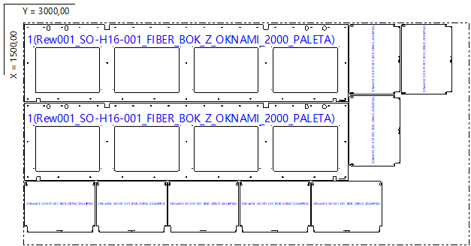

Part List
ID | Thumbnail | Part Name | Part Size(mm*mm) | Qty | Cut Length(m) | Marking length(m) | Defilm Length(m)
317763 |  | Rew001_SO-H16-001_FIBER_BOK_Z_OKNAMI_2000_PALETA | 2176.00 * 523.00 | 2 / 12 | 12.8 | 0.12 | 0
317788 |  | Rew003_SO-031-001_BOK_OKNO_ZASLEPKA | 474.00 * 340.00 | 8 / 48 | 1.79 | 0 | 0

